Customer Instructions
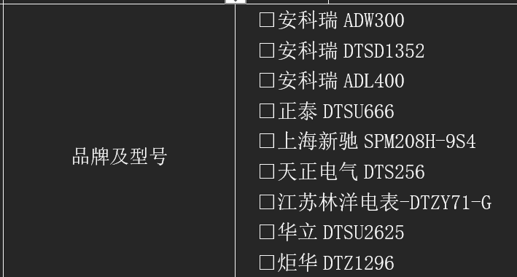
Category | Instruction for Customer | Required?
General | If a section is not applicable to your project, write 'N/A' instead of leaving it unclear. | Yes
Standard Projects | For standard grid-connected peak-shaving or load-shifting projects, Black Start and Off-Grid sections can be skipped. | Yes
PV Integration | Complete PV-ESS Coordination only if the battery system must communicate/control PV inverters. | Conditional
Export Limitation | Complete Anti-Backflow / Export Limitation only if the system must prevent exporting power to the grid. | Conditional
Demand Control | Complete Demand Control only if the system must limit maximum import/demand at the grid connection point. | Conditional
Meter | For any meter-based function, provide meter model, meter installation point, CT ratio, Modbus address if available, and communication method. | Conditional
Black Start | Black Start is an advanced optional function and is applicable only for projects requiring backup/microgrid operation and where the latest compatible solution is confirmed. It is not required for standard grid-connected commissioning. | Optional / Advanced
Off-Grid | Off-Grid System is an advanced optional function and is applicable only for projects requiring islanded operation. It is not required for standard grid-connected commissioning. | Optional / Advanced
Black Start / Off-Grid | If Black Start or Off-Grid is selected, provide total critical load power, inrush load details, backup source, switching time requirement, and EMS1000 availability. | Conditional
Power Limitation | Complete Power Limitation Mode only if the customer, grid operator, permit, or breaker rating requires output limitation. | Conditional
Capacity Protection | Complete Capacity Protection only if transformer overload protection is required. | Conditional
Topology | Attach the latest SLD/topology diagram. This is required for every project. | Yes
Communication | For multi-unit or EMS projects, attach communication topology showing EMS, PCS, BMS, meters, router/switch, PV inverter, and third-party systems. | Conditional
Network | Confirm internet/router availability, DHCP/static IP, VPN/firewall restrictions, and whether remote access is allowed. | Yes
Site Readiness | Commissioning can be delayed if power wiring, communication wiring, meter installation, internet, or required diagrams are incomplete. | Yes
EMS Hardware | EMS1000 required to achieve advanced functions of the JA Planet. To install onsite, there needs to be a 24V power source, and a suitable location to install close to the cabinets | Yes
Energy Meters | Only certain meters are compliant with the unit (See attached below). As the unit is RS485, the corresponding meter details need to be shared with the installation team ahead of delivery

